Transciever IC
SX 1262

Parameter | Value | Units | Comments | Calculations | LoRa Rx/Tx, BW = 7.8 - 500kHz, SF5 to SF12, BR = 0.018 - 62.5kb/s
Max Power | 22 | dBm
Lora Rx/TX BW | 7.8-500 | kHz
Lora Rx/TX BR | 0.018-62.5 | kb/s
Voltage Supply | 1.8-3.7 | V
VSWR MAX | 10:1 |  | at antenna

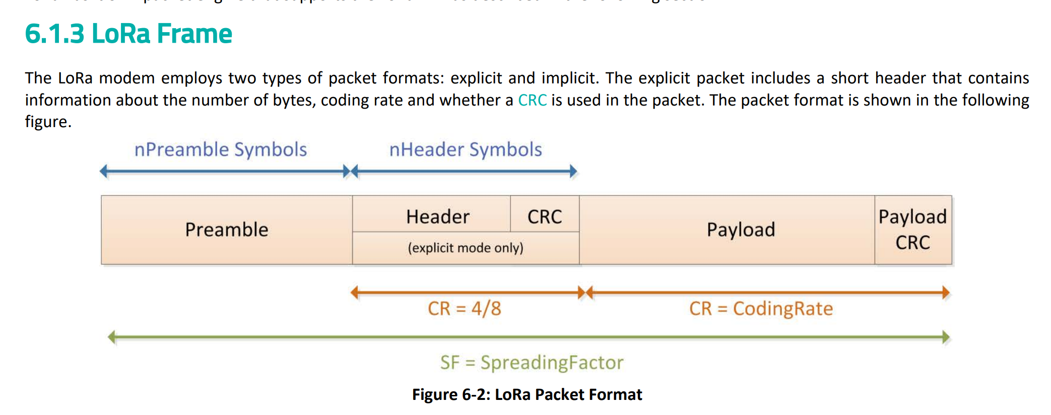
Bandwidth | 250 | kHz
Bandwidth Setting | LoRa_BWL_8
Spreading Factor | 7
2^SF | 128 | chips/symbol
SNR Associated with Spreading Factor | -7.5 | dB
Lora Symbol Rate | 1953.125 | RS | =BW/2^SF
Coding Rate Ratio | 0.8
Calculated Bit Rate | 10.9375 | kb/s | =SF*RS*CR

Switches
RX/TX Switch and Antenna Switch: HX4259-63-ST

 |  |  |  |  | Datasheet: | https://www.lcsc.com/datasheet/C48031087.pdf?spm=wm.sxq.inf.ggs___wm.fly.bg.5.xh&lcsc_vid=QllYUlBQE1IKUlwFFQdbX1BWT1YKVAdUFFVeAQdXEVUxVlNfRVBeVFZeRlVYXjsOAxUeFF5JWBYZEEoKFBINSQcJGk4%3D

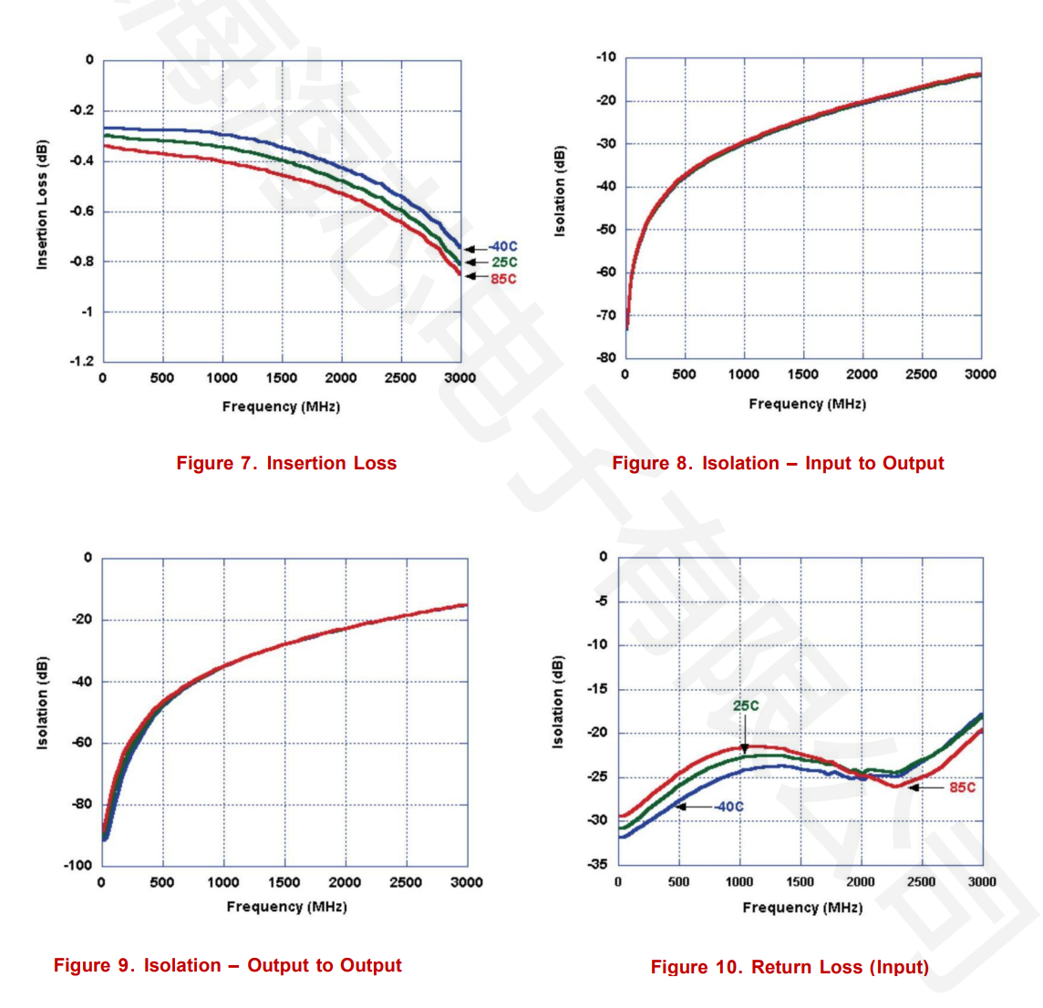
Parameter | Value | Units | Comments | Calculations
Insertion Loss | -0.4 | dB | ish
Isolation (IN to OUT)

Crystal
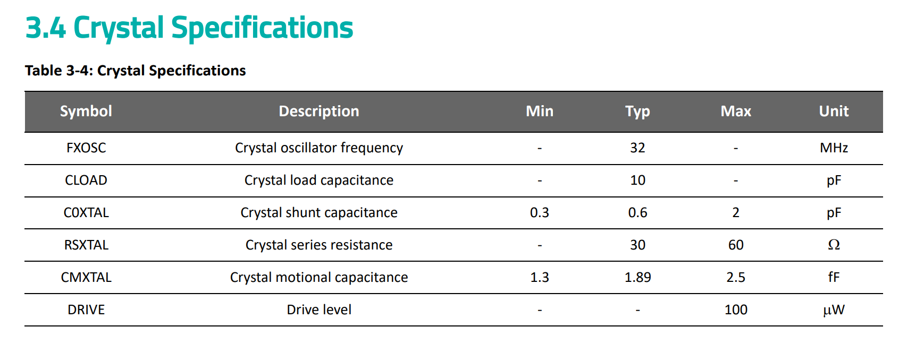
**Probably just copying this

Matching
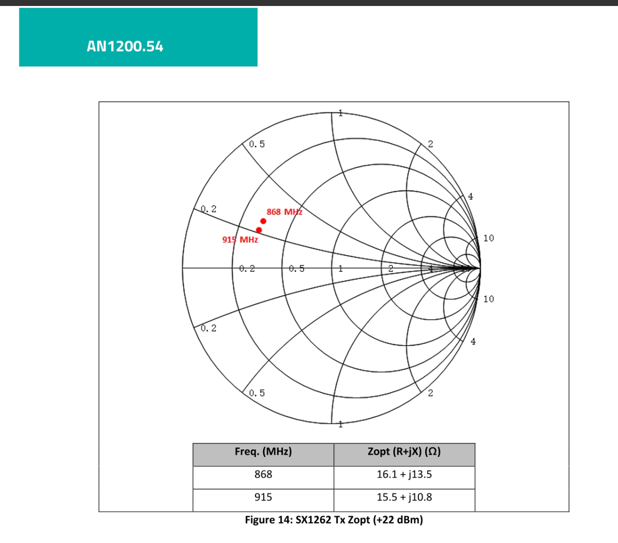
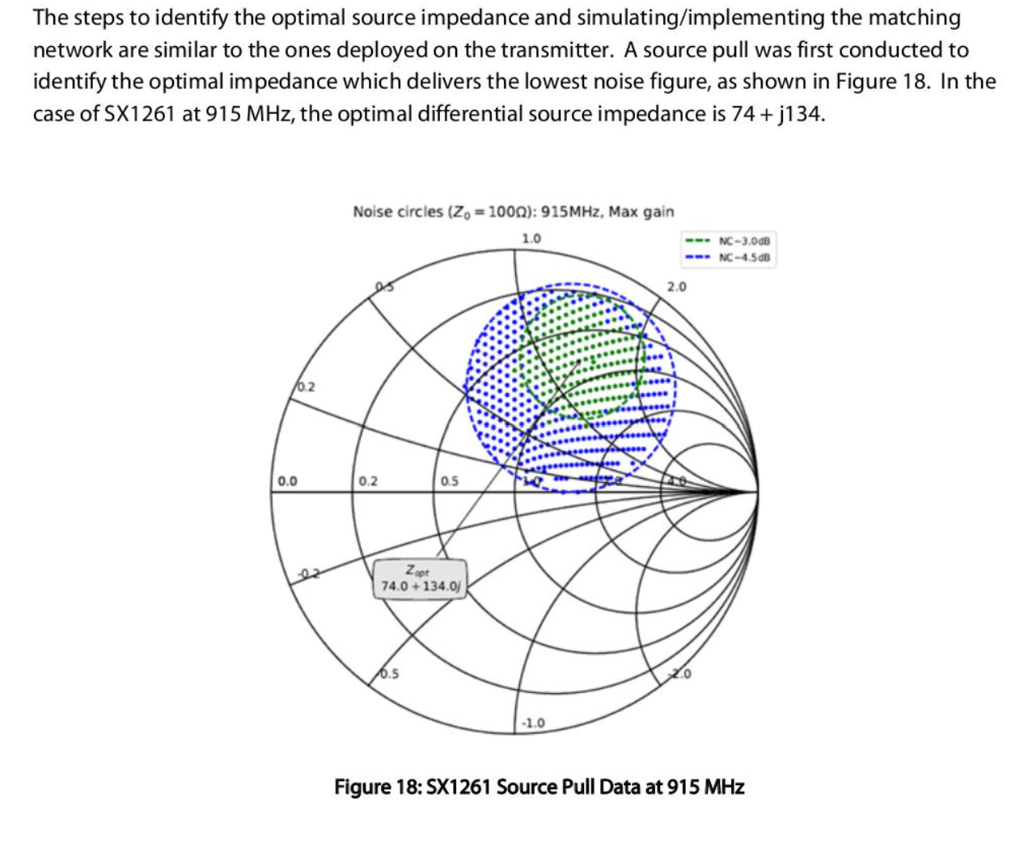
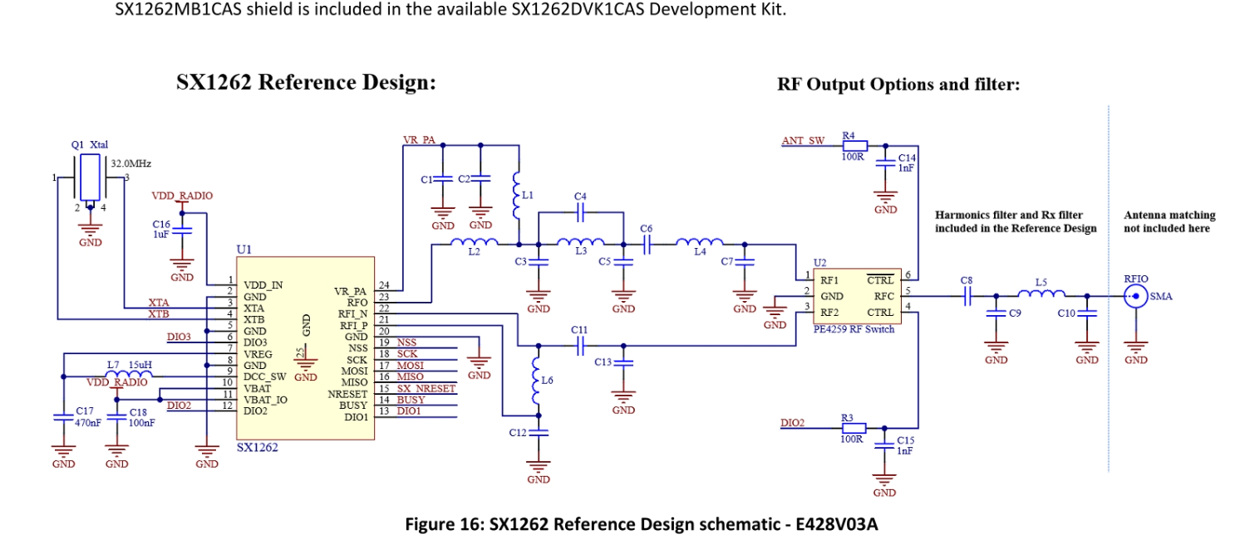
Matching for RF_OUT | Matching for Balun

